Sheet1
No | Title | About | Price | Picture | Url | ASIN
1 | A-Premium Sunroof Moon Roof Motor Compatible with Ford Explorer 2011-2017 Sport Utility BB5Z15790A Left or Right | 1. [Vehicle Fitment]: Compatible with Ford Explorer 2011-2017 Sport Utility (Before 2/11/2017) --- No Tilt Function 2. [Specifications]: ① Position: (Sunroof) Left or Right; ② Terminal Quantity: 14 Pins; ③ Attachment Type: Screw-in; ④ Electric/Manual: Electric; ⑤ Material: Metal and Plastic; ⑥ Installation Hardware: with 3 Screws; ⑦ Fitment: Direct Replacement 3. [Reference Number]: BB5Z15790A, BB5Z15790D, BB5Z-15790-A, BB5Z-15790-D, MM-1147, MM-1038 4. [Features]: A-Premium Sunroof Motor is engineered to provide OE fit, form, and function. Being durable and wear-resistant, it ensures strong reliability, coupled with high technology to improve operating efficiency and response speed, and make the air fresh in the car. 5. [Buy with Confidence]: A-Premium offers a one-year unlimited-mileage guarantee on our meticulously crafted sunroof motors. We offer a wide variety of automotive accessory categories, ensuring that you can hit the road with peace of mind. | $59.99 | 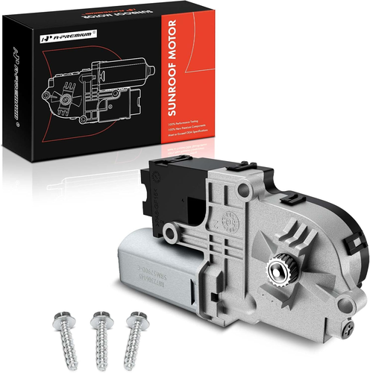 | https://www.amazon.com/dp/B08W98H7H7?language=en_US | B08W98H7H7
2 | Sunroof Moon Roof Motor Left or Right Compatible with Ford Explorer 2011-2017 Sun Roof Motor BB5Z-15790-A BB5Z15790A (2 Pack) | 1. ✅[PREMIUM QUALITY] - Made of Thick High Quality Materials and will fit your vehicle perfectly 2. ✅[FEATURES] - Sunroof Actuator helps power your sunroof so your Sunroof Moves Properly 3. ✅[COMPATIBLE] - Safety and Durability. BB5Z-15790-A Compatible with Ford Explorer 2011-2017 4. ✅[PACKAGE INCLUDES] - You will get 2 Sunroof Moon Roof Motor BB5Z15790A + 1 Extra Gift 5. ✅[NOTE] - Please Confirm your car Model and the OE of the Part before Purchasing | $115.58 | 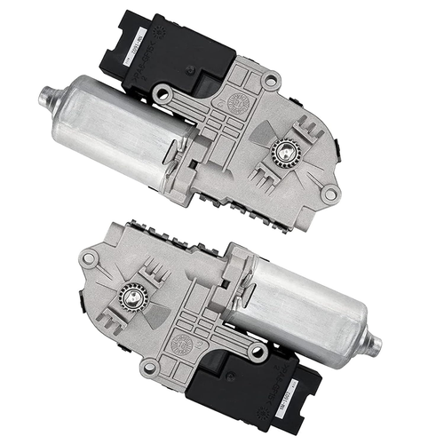 | https://www.amazon.com/dp/B093S8XVSL?language=en_US | B093S8XVSL
3 | A-Premium Sun Roof Sunroof Moon Roof Motor Compatible with Ford Explorer 2011-2017 Left and Right BB5Z15790A 2-PC Set | 1. [Vehicle Fitment]: Compatible with Ford Explorer 2011-2017 Sport Utility (Before 2/11/2017) --- No Tilt Function 2. [Specifications]: ① Position: (Sunroof) Left and Right; ② Terminal Quantity: 14 Pins; ③ Attachment Type: Screw-in; ④ Electric/Manual: Electric; ⑤ Material: Metal and Plastic; ⑥ Installation Hardware: with 6 Screws; ⑦ Fitment: Direct Replacement 3. [Reference Number]: BB5Z15790A, BB5Z15790D, BB5Z-15790-A, BB5Z-15790-D, MM-1147, MM-1038 4. [Features]: A-Premium Sunroof Motor is engineered to provide OE fit, form, and function. Being durable and wear-resistant, it ensures strong reliability, coupled with high technology to improve operating efficiency and response speed, and make the air fresh in the car. 5. [Buy with Confidence]: A-Premium offers a one-year unlimited-mileage guarantee on our meticulously crafted sunroof motors. We offer a wide variety of automotive accessory categories, ensuring that you can hit the road with peace of mind. | $116.99 | 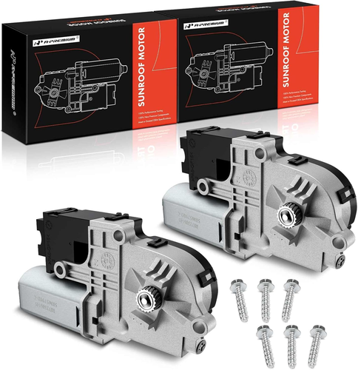 | https://www.amazon.com/dp/B08W9MX59Y?language=en_US | B08W9MX59Y
4 | Sunroof Motor Compatible with Ford Explorer 2011-2017 Sunroof Moon Roof Motor BB5Z-15790-A | 1. 🛠【SUNROOF】- The sunroof plays an important role in driving safety. When driving for a long time, the oxygen in the enclosed compartment is reduced and the carbon dioxide increases, which may make the driver drowsy. Opening the sunroof for ventilation can make the air in the car fresh, especially in the upper deck. The fresh air keeps the driver head and head awake, making driving safer and more reliable 2. 🛠【HIGH-END QUALITY】- Safety and durability. Designed to precisely fit your vehicle 3. 🛠【FUNCTION】- Sunroof Motor is Designed so your Sunroof Moves Properly 4. 🛠【COMPATIBLE】- Sunroof Motor Compatible with Ford Explorer 2011-2017 5. 🛠【GUARANTEE】- If You have any Questions, You can Contact us by Email | $59.87 | 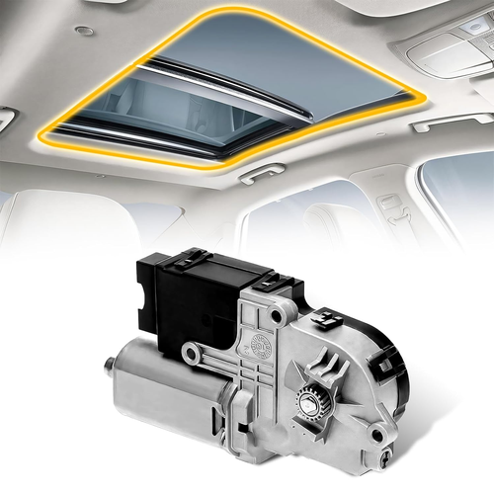 | https://www.amazon.com/dp/B08TTC1HQ3?language=en_US | B08TTC1HQ3
5 | KAVIUS Sunroof Motor Compatible with Ford Explorer Sport Utility 2011-2017 Moonroof Motor Replaces BB53-15B689-AB BB5Z15790A BB5Z15790D | 1. Vehicle Fitment:The BB5Z15790A sunroof motor Compatible with Ford Explorer 2011 2012 2013 2014 2015 2016 2017.Please carefully compare the suitability of this explorer sunroof motor and your car model before purchasing 2. Replace Part #:Sun roof moon motor for explorer replaces for BB53-15B689-AB, BB5Z15790D, BB5Z15790A, BB5Z-15790-A, BB5Z-15790-D, MM1147, MM-1038, 747-991. Please check the part number before placing an order 3. High Performance:Automotive sunroof motor is a metal motor that can be moved, replacing it with a new sunroof moon roof motor will make your sunroof work properly and you can open the sunroof at any time to improve the driving experience 4. Superior Material:The explorer moonroof motor is made of upgraded material, which is strong and long-lasting 5. Simple Installation:Sunroof motor is suitable for both left and right, easy to install, just need to plug in the exact position and installation is completed, we suggest to let professional personnel help to install | $57.97 | 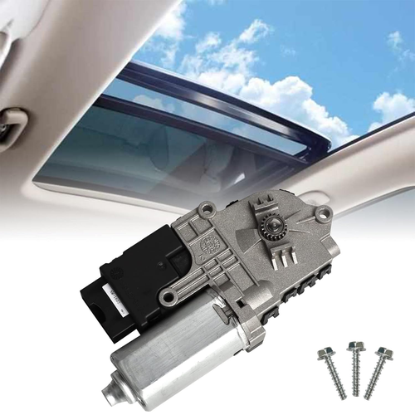 | https://www.amazon.com/dp/B0BPCP4XQN?language=en_US | B0BPCP4XQN
6 | Sunroof Moon Roof Motor Compatible for Explorer Sport Utility 2011 2012 2013 2014 2015 2016 2017 Left or Right Sunroof Motor Replaces#BB5Z15790A BB5Z15790D BB5Z-15790-A BB5Z-15790-D MM-1147 MM-1038 | 1. Fitment：The sunroof motor Compatible for Explorer 2011 2012 2013 2014 2015 2016 2017 2. Reference OE Part Number： BB53-15B689-AB, BB5Z15790D, BB5Z15790A, BB5Z-15790-A, BB5Z-15790-D, MM1147, MM-1038, 747-991 3. Function： Automotive sunroof motor is a metal motor that can be moved, replacing it with a new sunroof moon roof motor will make your sunroof work properly and you can open the sunroof at any time to improve the driving experience 4. Direct replacement：Designed to directly replace your old or damaged sunroof motor, and fits your car perfectly 5. Note：If the products you receive do not meet your expectations, please inform us at any time, and we will give you the most satisfactory treatment | $43.90 | 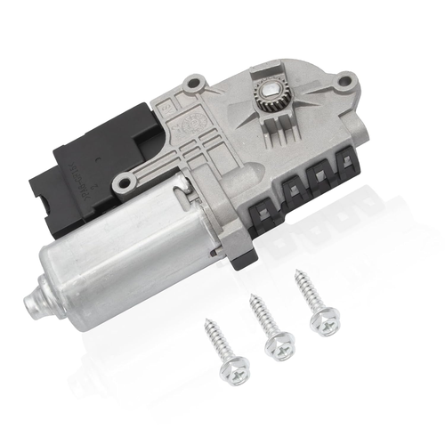 | https://www.amazon.com/dp/B0D5847ZLT?language=en_US | B0D5847ZLT
7 | Motorcraft Motor | 1. Package Dimensions: 5.62 L x 7.25 H x 1.87 W (inches) 2. Package Weight: 1.74 pounds 3. Country of Origin : United States 4. Part Number: MM1038 | $284.17 | 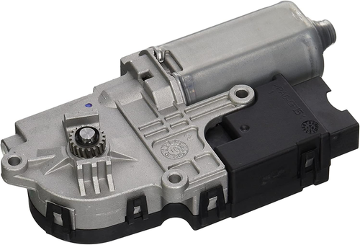 | https://www.amazon.com/dp/B004SJN66O?language=en_US | B004SJN66O
8 | TCFWED Sunroof Moon Roof Motor Compatible with Volvo XC60 Sport Utility 2010 2011 2012 2013 2014 2015 2016 2017 Replace # 30799673 31424338 31442109 | 1. [Compatible Models]:Compatible with Volvo XC60 Sport Utility 2010 2011 2012 2013 2014 2015 2016 2017 2. [ReferenceNumber]:30799673 31424338 31442109. 3. [Direct replacement]:With precise mounting holes and a 10-pin plug, this product is a direct replacement for damaged power sunroof motors. 4. [Superior Quality]:New high-quality raw material manufacturing，Meets or exceeds OEM standards for superior performance and long life. 5. [Warranty Service]:TCFWED power sunroof motors come with one year unlimited mileage warranty, if you encounter any problems during use, please feel free to contact us via email! | $64.89 | 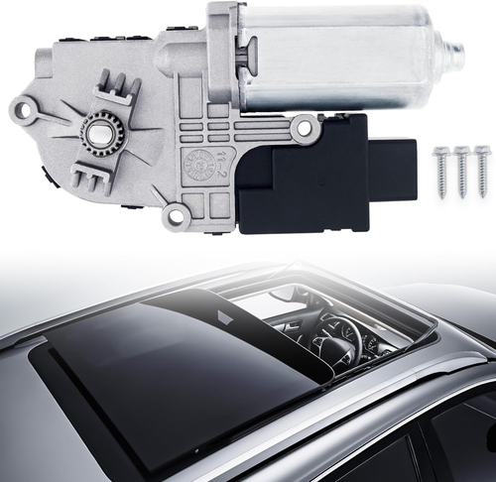 | https://www.amazon.com/dp/B0CYYYL59H?language=en_US | B0CYYYL59H
9 | sunroof motor gear w204,2008 c300 sunroof motor gear,2009 sunroof gear,2009 sunroof motor,sunroof gear,sunroof gear,2019 f250 | 1. Suitable for----- Especially designed for Benz W202 W204 W212. for sunroof repair kit for e350 w212 sunroof cog 2. Especially designed for W202 W204 W212. 3. Suitable for----- Especially designed for Benz W202 W204 W212. for sunroof repair kit for e350 w212 sunroof cog 4. Brand New Aftermarket Sunroof Motor Gear with Premium Quality. 5. Suitable for----- Especially designed for -for Benz W202 W204 W212. for sunroof repair kit for 2011 e350 sunroof motor gear | $8.19 | 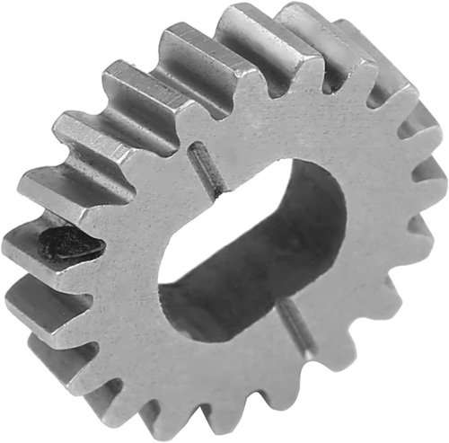 | https://www.amazon.com/dp/B0BYXR6L1R?language=en_US | B0BYXR6L1R
10 | WMPHE Sunroof Moon Roof Motor Compatible with Honda Accord Coupe Sedan XE\/XE-L 2008-2012 Replacement for 70450-TA0-A01 70450-TA0-A02 70450TA0A01 70450TA0A02 Sunroof Motor 2door\/ 4door 14 Pins | 1. 【OEM Part Number】: Sunroof motor replacement for 70450-TA0-A01 70450-TA0-A02 70450TA0A01 70450TA0A02, manufactured to the exact same specifications 2. 【Vehicle Application】: Sunroof moon roof motor compatible with Honda Accord sedan coupe EX EX-L 2.4L L4 3.5L V6 2door 4door 2008 2009 2011 2012 3. 【Stable Performance】 The 14 pin electric sunroof motors are all made of precision machined parts and connected by bolts. It can directly replace the sunroof motor that is noisy and unable to open and close normally, improving the driving experience 4. 【Features】: The electric sunroof moon roof motor is made of reliable metal materials, with stable performance, wear resistance, waterproof, impact resistance, and long service life 5. 【Note】: Professional installation sunroof moonroof motor is strongly recommended. Please confirm if it matches your vehicle model before placing an order | $43.19 | 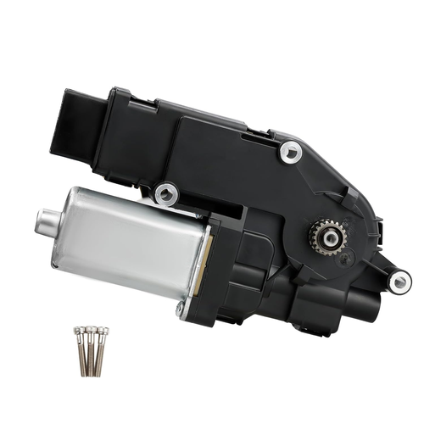 | https://www.amazon.com/dp/B0D7927R5J?language=en_US | B0D7927R5J

